Poplar Farm Uniform Order Form
UNIFORM ORDER FORM


Name:
Telephone:
Mobile:
Address:

Item | Description | Price / Each | Size | Quantity | Total £
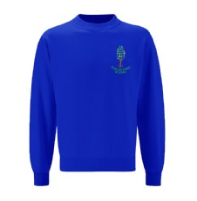 | Crew Neck Sweatshirt Sizes: 3/4 years (24") 5/6 years (26") | £7.80 |  |  | £0.00

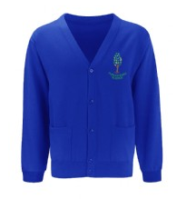 | Sweatshirt Cardigan Sizes: 3/4 years (24") 5/6 years (26") | £9.30 |  |  | £0.00

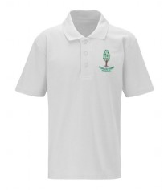 | Polo Shirt Sizes: 3/4 years (24") 5/6 years (26") | £6.60 |  |  | £0.00

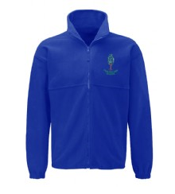 | Fleece Jacket Sizes: 3/4 years (24") 5/6 years (26") | £11.05 |  |  | £0.00

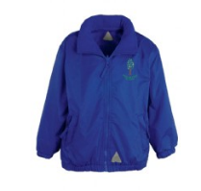 | Showerproof Reversible Jacket Sizes: 3/4 years (24") 5/6 years (26") | £16.75 |  |  | £0.00

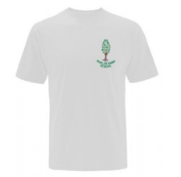 | PE T Shirt Sizes: 3/4 years (24") 5/6 years (26") | £4.85 |  |  | £0.00

UNIFORM ORDER FORM


Name:
Telephone:
Mobile:
Address:

Item | Description | Price / Each | Size | Quantity | Total £
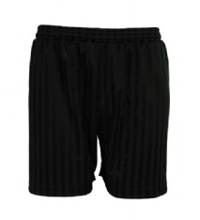 | Black shadow stripe PE Short Sizes: 18"/20" 22"/24" | £3.50 |  |  | £0.00

 | PE Bag | £3.54 | N/A |  | £0.00

 | Book Bag | £5.95 | 1 free to all starters in September 2018 | 1 | £0.00

 | 300ml water bottle with school log and green valve lid | £1.75 | 1 free to all starters in September 2018 | 1 | £0.00

 |  |  | Total Units & Cost: | 2 | £0.00

Payment by cash (collection from Parent Induction on Wednesday 23rd May)
Payment by cheque (collection from C.I.T Head office one week after payment)
Please email order requests to jacki.bartram@citacademies.co.uk
or deliver to C.I.T. Academies, Autumn Park, Dysart Road, Grantham,

NG31 7EU before Wednesday 23rd May 2018.

